Calibration Calculations
Bank Capacitance vs. Input Code (Decimal) vs. eFUSE Code
 | eFUSE Code= 0001 | eFUSE code= 0010 | eFUSE Code= 0011 | eFUSE Code= 0100 | eFUSE code= 0101 | eFUSE Code= 0110 | eFUSE Code= 0111 | eFUSE Code= 1000 | eFUSE Code= 1001 | eFUSE Code= 1010 | eFUSE code= 1011 | eFUSe Code= 1100
0 | 0 | 0 | 0 | 0 | 0 | 0 | 0 | 0 | 0 | 0 | 0 | 0
1 | 0.125 | 0.125 | 0.125 | 0.125 | 0.125 | 0.125 | 0.125 | 0.125 | 0.125 | 0.125 | 0.125 | 0.125
2 | 0.25 | 0.25 | 0.25 | 0.25 | 0.25 | 0.25 | 0.25 | 0.25 | 0.25 | 0.25 | 0.125 | 0.125
3 | 0.375 | 0.375 | 0.375 | 0.375 | 0.375 | 0.375 | 0.25 | 0.25 | 0.25 | 0.25 | 0.25 | 0.25
4 | 0.5 | 0.5 | 0.5 | 0.5 | 0.5 | 0.375 | 0.375 | 0.375 | 0.375 | 0.375 | 0.375 | 0.375
5 | 0.625 | 0.625 | 0.625 | 0.625 | 0.5 | 0.5 | 0.5 | 0.5 | 0.5 | 0.5 | 0.5 | 0.5
6 | 0.75 | 0.75 | 0.75 | 0.625 | 0.625 | 0.625 | 0.625 | 0.625 | 0.625 | 0.625 | 0.5 | 0.5
7 | 0.875 | 0.875 | 0.875 | 0.75 | 0.75 | 0.75 | 0.75 | 0.75 | 0.625 | 0.625 | 0.625 | 0.625
8 | 1 | 1 | 1 | 0.875 | 0.875 | 0.875 | 0.875 | 0.75 | 0.75 | 0.75 | 0.75 | 0.75
9 | 1.125 | 1.125 | 1 | 1 | 1 | 1 | 0.875 | 0.875 | 0.875 | 0.875 | 0.875 | 0.75
10 | 1.25 | 1.25 | 1.125 | 1.125 | 1.125 | 1 | 1 | 1 | 1 | 1 | 0.875 | 0.875
11 | 1.375 | 1.375 | 1.25 | 1.25 | 1.25 | 1.125 | 1.125 | 1.125 | 1.125 | 1 | 1 | 1
12 | 1.5 | 1.5 | 1.375 | 1.375 | 1.375 | 1.25 | 1.25 | 1.25 | 1.125 | 1.125 | 1.125 | 1.125
13 | 1.625 | 1.625 | 1.5 | 1.5 | 1.375 | 1.375 | 1.375 | 1.25 | 1.25 | 1.25 | 1.25 | 1.125
14 | 1.75 | 1.75 | 1.625 | 1.625 | 1.5 | 1.5 | 1.5 | 1.375 | 1.375 | 1.375 | 1.25 | 1.25
15 | 1.875 | 1.875 | 1.75 | 1.75 | 1.625 | 1.625 | 1.5 | 1.5 | 1.5 | 1.375 | 1.375 | 1.375
16 | 2 | 2 | 1.875 | 1.875 | 1.75 | 1.75 | 1.625 | 1.625 | 1.625 | 1.5 | 1.5 | 1.5
17 | 2.125 | 2 | 2 | 1.875 | 1.875 | 1.75 | 1.75 | 1.75 | 1.625 | 1.625 | 1.5 | 1.5
18 | 2.25 | 2.125 | 2.125 | 2 | 2 | 1.875 | 1.875 | 1.75 | 1.75 | 1.75 | 1.625 | 1.625
19 | 2.375 | 2.25 | 2.25 | 2.125 | 2.125 | 2 | 2 | 1.875 | 1.875 | 1.875 | 1.75 | 1.75
20 | 2.5 | 2.375 | 2.375 | 2.25 | 2.25 | 2.125 | 2.125 | 2 | 2 | 1.875 | 1.875 | 1.75
21 | 2.625 | 2.5 | 2.5 | 2.375 | 2.25 | 2.25 | 2.125 | 2.125 | 2 | 2 | 1.875 | 1.875
22 | 2.75 | 2.625 | 2.625 | 2.5 | 2.375 | 2.375 | 2.25 | 2.25 | 2.125 | 2.125 | 2 | 2
23 | 2.875 | 2.75 | 2.75 | 2.625 | 2.5 | 2.375 | 2.375 | 2.25 | 2.25 | 2.25 | 2.125 | 2.125
24 | 3 | 2.875 | 2.875 | 2.75 | 2.625 | 2.5 | 2.5 | 2.375 | 2.375 | 2.25 | 2.25 | 2.125
25 | 3.125 | 3 | 2.875 | 2.875 | 2.75 | 2.625 | 2.625 | 2.5 | 2.5 | 2.375 | 2.25 | 2.25
26 | 3.25 | 3.125 | 3 | 3 | 2.875 | 2.75 | 2.75 | 2.625 | 2.5 | 2.5 | 2.375 | 2.375
27 | 3.375 | 3.25 | 3.125 | 3 | 3 | 2.875 | 2.75 | 2.75 | 2.625 | 2.625 | 2.5 | 2.375
28 | 3.5 | 3.375 | 3.25 | 3.125 | 3.125 | 3 | 2.875 | 2.75 | 2.75 | 2.625 | 2.625 | 2.5
29 | 3.625 | 3.5 | 3.375 | 3.25 | 3.125 | 3 | 3 | 2.875 | 2.875 | 2.75 | 2.625 | 2.625
30 | 3.75 | 3.625 | 3.5 | 3.375 | 3.25 | 3.125 | 3.125 | 3 | 2.875 | 2.875 | 2.75 | 2.75
31 | 3.875 | 3.75 | 3.625 | 3.5 | 3.375 | 3.25 | 3.25 | 3.125 | 3 | 3 | 2.875 | 2.75
32 | 4 | 3.875 | 3.75 | 3.625 | 3.5 | 3.375 | 3.375 | 3.25 | 3.125 | 3.125 | 3 | 2.875
33 | 4.125 | 4 | 3.875 | 3.75 | 3.625 | 3.5 | 3.375 | 3.25 | 3.25 | 3.125 | 3 | 3
34 | 4.25 | 4.125 | 4 | 3.875 | 3.75 | 3.625 | 3.5 | 3.375 | 3.375 | 3.25 | 3.125 | 3
35 | 4.375 | 4.25 | 4.125 | 4 | 3.875 | 3.75 | 3.625 | 3.5 | 3.375 | 3.375 | 3.25 | 3.125
36 | 4.5 | 4.375 | 4.25 | 4.125 | 4 | 3.75 | 3.75 | 3.625 | 3.5 | 3.5 | 3.25 | 3.25
37 | 4.625 | 4.5 | 4.375 | 4.25 | 4 | 3.875 | 3.875 | 3.625 | 3.625 | 3.5 | 3.375 | 3.375
38 | 4.75 | 4.625 | 4.5 | 4.25 | 4.125 | 4 | 3.875 | 3.75 | 3.75 | 3.625 | 3.5 | 3.375
39 | 4.875 | 4.75 | 4.625 | 4.375 | 4.25 | 4.125 | 4 | 3.875 | 3.75 | 3.75 | 3.625 | 3.5
40 | 5 | 4.875 | 4.75 | 4.5 | 4.375 | 4.25 | 4.125 | 4 | 3.875 | 3.875 | 3.625 | 3.625
41 | 5.125 | 5 | 4.75 | 4.625 | 4.5 | 4.375 | 4.25 | 4.125 | 4 | 3.875 | 3.75 | 3.625
42 | 5.25 | 5.125 | 4.875 | 4.75 | 4.625 | 4.375 | 4.375 | 4.125 | 4.125 | 4 | 3.875 | 3.75
43 | 5.375 | 5.25 | 5 | 4.875 | 4.75 | 4.5 | 4.5 | 4.25 | 4.25 | 4.125 | 4 | 3.875
44 | 5.5 | 5.375 | 5.125 | 5 | 4.875 | 4.625 | 4.5 | 4.375 | 4.25 | 4.25 | 4 | 4
45 | 5.625 | 5.5 | 5.25 | 5.125 | 4.875 | 4.75 | 4.625 | 4.5 | 4.375 | 4.25 | 4.125 | 4
46 | 5.75 | 5.625 | 5.375 | 5.25 | 5 | 4.875 | 4.75 | 4.625 | 4.5 | 4.375 | 4.25 | 4.125
47 | 5.875 | 5.75 | 5.5 | 5.375 | 5.125 | 5 | 4.875 | 4.625 | 4.625 | 4.5 | 4.375 | 4.25
48 | 6 | 5.875 | 5.625 | 5.5 | 5.25 | 5.125 | 5 | 4.75 | 4.75 | 4.625 | 4.375 | 4.375
49 | 6.125 | 5.875 | 5.75 | 5.5 | 5.375 | 5.125 | 5.125 | 4.875 | 4.75 | 4.75 | 4.5 | 4.375
...
...

Beams vs Value vs eFUSE
...
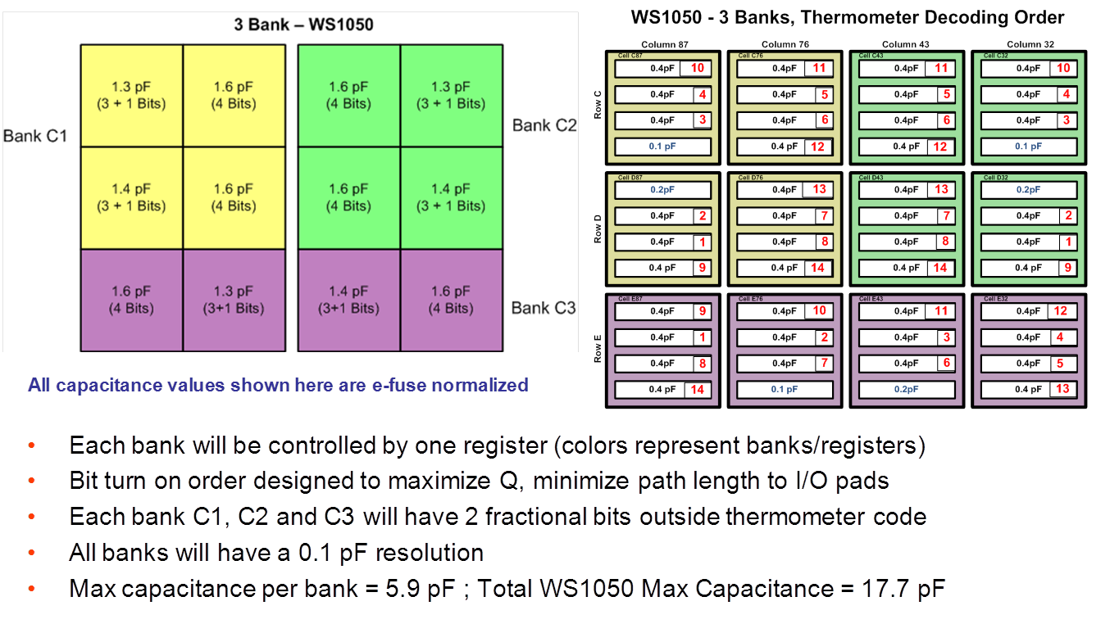
...
1110 | Activated Beams |  | 1111
0.125pF Beam | #0.5pF Beams | 0.25pF Beam | 0.125pF Beam
0 | 0 | 0 | 0
1 | 0 | 0 | 1
1 | 0 | 0 | 1
0 | 0 | 1 | 0
1 | 0 | 1 | 1
1 | 0 | 1 | 1
0 | 1 | 0 | 0
1 | 1 | 0 | 1
0 | 1 | 0 | 1
0 | 1 | 1 | 0
1 | 1 | 1 | 1
0 | 1 | 1 | 1
0 | 2 | 0 | 0
1 | 2 | 0 | 1
0 | 2 | 0 | 1
0 | 2 | 1 | 0
1 | 2 | 1 | 1
0 | 2 | 1 | 1
0 | 3 | 0 | 0
1 | 3 | 0 | 0
0 | 3 | 0 | 1
0 | 3 | 1 | 0
1 | 3 | 1 | 0
0 | 3 | 1 | 1
1 | 4 | 0 | 0
1 | 4 | 0 | 0
0 | 4 | 0 | 1
1 | 4 | 1 | 0
1 | 4 | 1 | 0
0 | 4 | 1 | 1
1 | 5 | 0 | 0
1 | 5 | 0 | 0
0 | 5 | 0 | 1
1 | 5 | 1 | 0
1 | 5 | 1 | 0
0 | 5 | 1 | 1
1 | 6 | 0 | 0
1 | 6 | 0 | 0
0 | 6 | 0 | 1
...

